Data Exhibit-3
Demand History and Projections
Demand Projections | Q3 2020 (actual) | Q4 2020 | Q1 2021 | Q2 2021
 | [in lots]
Ampoules | 15 | 55 | 60 | 65
Cycle Time Breakup by product and line
 | Ampoules | Vials | Syringes
Tubing | 6 | 9 | 6
Hot-forming | 12 | 9 | 9
Washing | 18 | 21 | 18
Packing | 24 | 24 | 24
Vials | 5 | 20 | 30 | 35
Syringes | 10 | 35 | 40 | 45

Product-wise cycle time
Product | Cycle Time (hours)
Ampoules | 60
Vials | 63
Syringes | 57

Cycle time breakup by product and line
Cycle Time (hours/process) |  | Tubing | Hot-forming | Washing | Packing
Ampoules |  | 6 | 12 | 18 | 24
Vials |  | 9 | 9 | 21 | 24
Demand History and Projections
Syringes |  | 6 | 9 | 18 | 24

Net lot equivalent rejected in a quarter
Product | Bend tubing Rejects | Contamination rejects | Glass breakages | Air bubbles
Ampoules | 1 | 5.7 | 3.5 | 2.8
Vials | 2.8 | 6 | 3.2 | 3
Syringes | 3.4 | 5.2 | 2.8 | 2.6

Net lot equivalent rejected in a quarter

Data Exhibit-4
4-step manufacturing process for all 3 products in Fabricadas
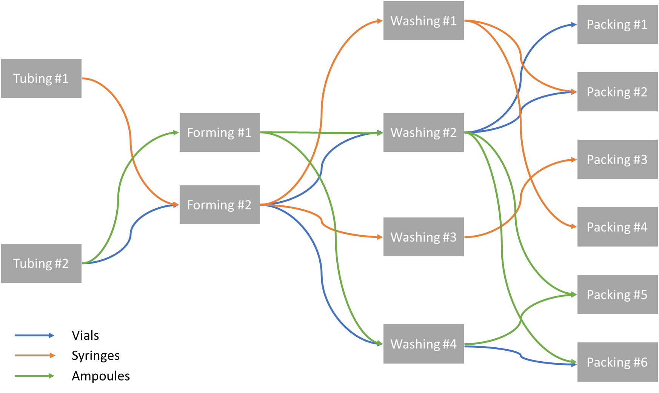

Favricadas Utilization and Stoppages
Fabricadas Utilization and Stoppages
Unit | Weekends and Holidays | Planned shutdowns | Unplanned shutdowns
Tubing #1 | 115 | 10 | 15
Tubing #2 | 115 | 10 | 20
Forming #1 | 115 | 10 | 15
Forming #2 | 115 | 10 | 25
Washing #1 | 115 | 10 | 15
Washing #2 | 115 | 10 | 20
Washing #3 | 115 | 10 | 20
Washing #4 | 115 | 10 | 15
Packing #1 | 115 | 10 | 20
Packing #2 | 115 | 10 | 20
Packing #3 | 115 | 10 | 25
Packing #4 | 115 | 10 | 15
Packing #5 | 115 | 10 | 20
Packing #6 | 115 | 10 | 20

